Sheet1
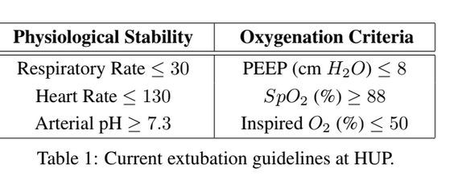
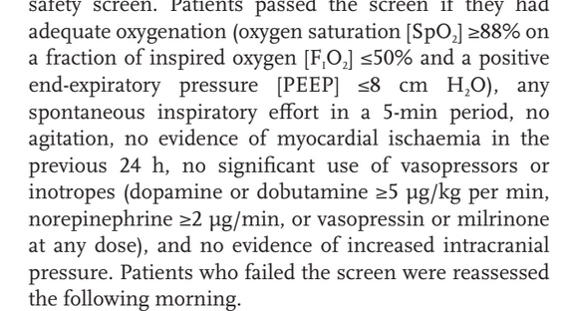
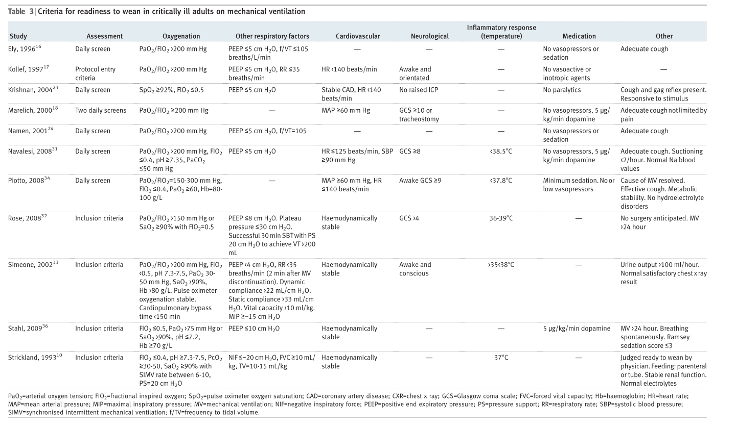
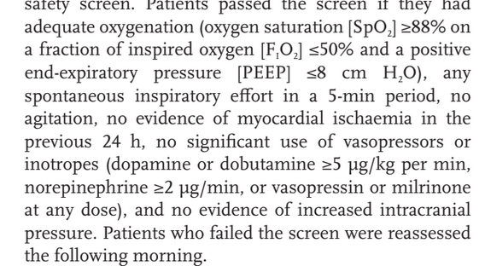
Name | Unit | Range ready to weaning | Synthea | Possible Range | Notes | Weight | Normalized Weight
Respiratory rate | /min | ≤ 35 | default in covid module | 12-40 | Respiratory rate Observation (LOINC = 9279-1) | 0.02 | 8.70%
Systolic BP | mmHg | 90-180 | not used for protocol |  | SysBP Observation (LOINC = 55284-4, 8480-6) | 0.02 | 8.70%
Arterial pH | -- | ≥ 7.25 | default in covid module |  | Art pH Observation (LOINC =2744-1) | 0.06 | 26.09%
Arterial O2 Saturation/SpO2 | -- | ≥ 92% | default in covid module | 50-200 | SpO2 Observation (LOINC = 2714-4) | 0.03 | 13.04%
FiO2 | % | ≤ 50 | default in covid module | 30-100 | FiO2 Observation (LOINC = 19994-3) | 0.04 | 17.39%
PEEP | cm H2O | ≤ 5 | added in covid module |  | Positive end expiratory pressure setting Ventilator (LOINC 20077-4) | 0.06 | 26.09%
Heart Rate | /min | ≤ 130 | default in covid module
PaO2/FIO2 | mm Hg | >200 | not used for protocol

